Sheet1
TIP |  | Sintaxa | RTL | FORMAT
Tip R
Addition | add | add $d, $s, $t | $d ← $s + $t; PC ← PC + 4; | 000000 sssss ttttt ddddd 00000 100000
Subtraction | sub | sub $d, $s, $t | $d ← $s - $t; PC ← PC + 4; | 000000 sssss ttttt ddddd 00000 100010
Shift Left Logical (with shift amount – sa) | sll | sll $d, $t, h | $d ← $t << h; PC ← PC + 4; | 000000 sssss ttttt ddddd hhhhh 000000
Shift Right Logical (with shift amount – sa) | srl | srl $d, $t, h | $d ← $t >> h; PC ← PC + 4; | 000000 00000 ttttt ddddd hhhhh 000010
Logical AND | and | and $d, $s, $t | $d ← $s & $t; PC ← PC + 4; | 000000 sssss ttttt ddddd 00000 100100
Logical OR | or | or $d, $s, $t | $d ← $s | $t; PC ← PC + 4; | 000000 sssss ttttt ddddd 00000 100101
Logical XOR | xor | xor $d, $s, $t | $d ← $s ^ $t; PC ← PC + 4; | 000000 sssss ttttt ddddd 00000 100110
Shift-Right Arithmetic | sra | sra $d, $t, h | $d ← $t >> h; PC ← PC + 4; | 000000 00000 ttttt ddddd hhhhh 000011

Tip I
Add Immediate | addi | addi $t, $s, imm | $t ← $s + SE(imm); PC ← PC + 4; | 001000 sssss ttttt iiiiiiiiiiiiiiii
Load Word | lw | lw $t, offset($s) | $t ← MEM[$s + SE(offset)]; PC ← PC + 4; | 100011 sssss ttttt oooooooooooooooo
Store Word | sw | sw $t, offset($s) | MEM[$s + SE(offset)] ← $t; PC ← PC + 4; | 101011 sssss ttttt oooooooooooooooo
Branch on Equal | beq | beq $s, $t, offset | if $s == $t then PC ← PC + 4 + (SE(offset) << 2) else PC ← PC + 4; | 000100 sssss ttttt oooooooooooooooo
Branch on Greater Than Zero | bgtz | bgtz $s, offset | If $s > 0 then PC ← PC + 4 + (SE(offset) << 2) else PC ← PC + 4; | 000111 sssss 00000 oooooooooooooooo
Branch on Greater than or Equal to Zero | bgez | bgez $s, offset | if $s >= 0 then PC ← PC + 4 + (SE(offset) << 2) else PC ← PC + 4; | 000001 sssss 00000 oooooooooooooooo

Tip J | j | j addr | PC ← (PC + 4)[31:28] || (addr << 2); | 000010 aaaaaaaaaaaaaaaaaaaaaaaaaa

function CMMDC(a, b)
if a = 0
return b
while b ≠ 0
if a > b
a := a − b
else
b := b − a
return a
00 : xor $10, $10, $10
01 : xor $0, $0, $0
02 : xor $30, $30, $30
03 : lw $1, offset($10) --a
04 : addi $10, $10, 4
05 : lw $2, offset($10) --b
06 : addi $0, $0, 8 --adr mem
07 : beq $1, $30, offset 13 (21)
08 : beq $2, $30, offset 10 (19)
09 : sw $1 offset($0)
10 : addi $0, $0, 4
11 : sw $2 offset($0)
12 : addi $0, $0, 4
13 : sub $3, $1, $2
14 : bgtz $3, offset 2 (17)
15 : sub $2, $2, $1
16 : j addr 8
17 : sub $1, $1, $2
18 : j addr 8
19 : sw $1 offset($0)
20 : j addr 22
21 : sw $2 offset($0)
22 :
000000_01010_01010_01010_00000_100110
000000_00000_00000_00000_00000_100110
000000_11110_11110_11110_00000_100110
100011_01010_00001_0000000000000000
001000_01010_01010_0000000000000100
100011_01010_00010_0000000000000000
001000_00000_00000_0000000000001000
000100_00001_11110_0000000000001101
000100_00010_11110_0000000000001010
101011_00000_00001_0000000000000000
001000_00000_00000_0000000000000100
101011_00000_00010_0000000000000000
001000_00000_00000_0000000000000100
000000_00001_00010_00011_00000_100010
000111_00011_00000_0000000000000010
000000_00010_00001_00010_00000_100010
000010_00000000000000000000001000
000000_00001_00010_00001_00000_100010
000010_00000000000000000000001000
101011_00000_00001 0000000000000000
000010_00000000000000000000010110
101011_00000_00010 0000000000000000
000000_01010_01010_01010_00000_100110
000000_00000_00000_00000_00000_100110
000000_11110_11110_11110_00000_100110
100011_01010_00001_0000000000000000
001000_01010_01010_0000000000000100
100011_01010_00010_0000000000000000
001000_00000_00000_0000000000001000
000100_00001_11110_0000000000001101
000100_00010_11110_0000000000001010
101011_00000_00001_0000000000000000
001000_00000_00000_0000000000000100
101011_00000_00010_0000000000000000
001000_00000_00000_0000000000000100
000000_00001_00010_00011_00000_100010
000111_00011_00000_0000000000000010
000000_00010_00001_00010_00000_100010
000010_00000000000000000000001000
000000_00001_00010_00001_00000_100010
000010_00000000000000000000001000
101011_00000_00001_0000000000000000
000010_00000000000000000000010110
101011_00000_00010_0000000000000000
014A5026
00000026
03DEF026
8D410000
214A0004
8D420000
20000008
103E000D
105E000A
AC010000
20000004
AC020000
20000004
00221822
1C600002
00411022
08000008
00220822
08000008
AC010000
08000016
AC020000

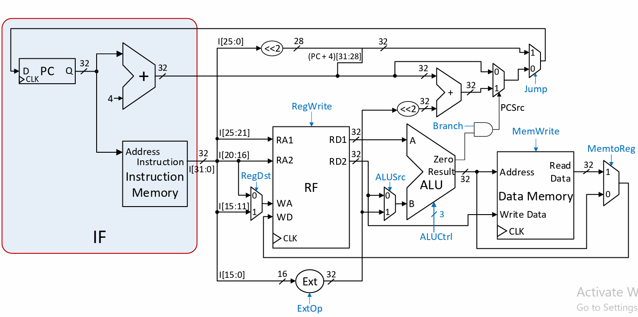
xor $10, $10, $10
xor $0, $0, $0
xor $30, $30, $30
00 offset 00: lw $1, offset($10) --a
01 offset 04: addi $10, $10, 4
02 offset 08: lw $2, offset($10) --b
03 offset 12: addi $0, $0, 8 --adr mem
04 offset 16: beq $1, $30, offset 13 (18)
05 offset 20: beq $2, $30, offset 10 (16)
06 offset 24: sw $1 offset($0)
07 offset 28: addi $0, $0, 4
08 offset 32: sw $2 offset($0)
09 offset 36: addi $0, $0, 4
10 offset 40: sub $3, $1, $2
11 offset 44: bgtz $3, offset 2 (14)
12 offset 48: sub $2, $2, $1
13 offset 52: j addr 5
14 offset 56: sub $1, $1, $2
15 offset 60: j addr 5
16 offset 64: sw $1 offset($0)
17 offset 68: j addr 19
18 offset 72: sw $2 offset($0)
19 offset 76:
100011_01010_00001_0000000000000000
001000_01010_01010_0000000000000100
100011_01010_00010_0000000000000000
001000_00000_00000_0000000000001000
000100_00001_11110_0000000000001101
000100_00010_11110_0000000000001010
101011_00000_00001_0000000000000000
001000_00000_00000_0000000000000100
101011_00000_00010_0000000000000000
001000_00000_00000_0000000000000100
000000_00001_00010_00011_00000_100010
000111_00011_00000_0000000000000010
000000_00010_00001_00010_00000_100010
000010_00000000000000000000000101
000000_00001_00010_00001_00000_100010
000010_00000000000000000000000101
101011_00000_00001_0000000000000000
000010_00000000000000000000010011
101011_00000_00010_0000000000000000
8D410000
214A0004
8D420000
20000008
103E000D
105E000A
56008000
20000004
AC020000
20000004
00221822
1C600002
00411022
08000005
00220822
08000005
AC010000
08000013
AC020000

